ART
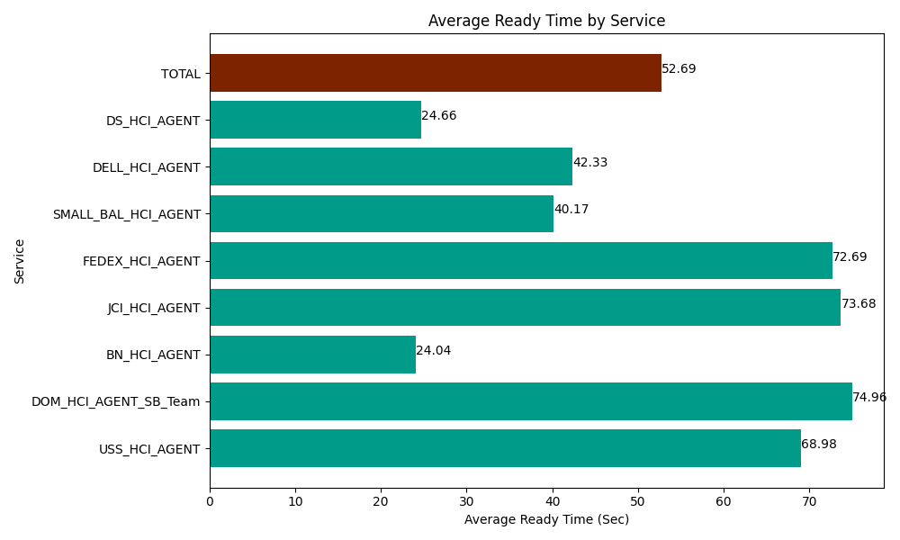
Date | Service | Successful Op Transfer | In Call (Sec) | Ready (Sec) | Wrapup (Sec) | Not Ready (Sec) | Average Ready Time (Sec)
06-27-2024 | USS_HCI_AGENT | 196 | 23048.999634 | 13519.200439 | 42620.998535 | 26207.999268 | 68.98
06-27-2024 | DOM_HCI_AGENT_SB_Team | 50 | 6196.7999268 | 3748.2000732 | 7556.9998169 | 5836.7999268 | 74.96
06-27-2024 | BN_HCI_AGENT | 999 | 64526.99707 | 24016.199341 | 79614.001465 | 47630.998535 | 24.04
06-27-2024 | JCI_HCI_AGENT | 97 | 5343.0001831 | 7147.2001648 | 8098.2000732 | 280.20000458 | 73.68
06-27-2024 | FEDEX_HCI_AGENT | 13 | 1003.1999588 | 945 | 793.20001602 | 421.80001259 | 72.69
06-27-2024 | SMALL_BAL_HCI_AGENT | 19 | 925.80001831 | 763.20001602 | 1720.2000046 | 2419.8001099 | 40.17
06-27-2024 | DELL_HCI_AGENT | 194 | 17950.200806 | 8212.800293 | 75301.201172 | 39421.201172 | 42.33
06-27-2024 | DS_HCI_AGENT | 151 | 15022.199707 | 3722.9999542 | 18988.200073 | 6565.8000183 | 24.66
 | TOTAL | 1719 | 134017.1973 | 62074.800282 | 234693.00116 | 128784.59905 | 52.69

